InDemand Overview
Overview of InDemand (DSM)
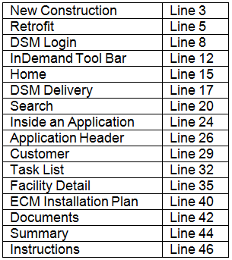
New Construction
The NEW CONSTRUCTION Program (Design 2000 or D2) is specifically designed for commercial and industrial customers who are building new facilities, undergoing major, renovations of an existing, or replacing failed equipment.
Retrofit
The RETROFIT Program (Energy Initiative or EI) is especially developed for commercial and industrial customers and offers prescriptive and custom incentives designed to help replace aging, inefficient equipment and systems with energy efficient technologies.

DSM Login
Using this link will bring you to the InDemand home page. You will be automatically logged in. https://uswebapps.nationalgrid.com/DsmWebInternal/do/index Click "Large Commercial & Industrial" to proceed
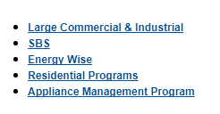

InDemand Tool Bar |  | *Hovering your mouse over the options will give you a drop down list of actions*

Home: This is where you can access a list of tasks in your name |  |  | *Clicking one of the headers will organize the list by that category*

DSM Delivery: This is where you start to create an application from scratch
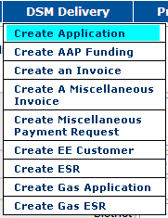

Search: This is where you can search for existing applications, and/or vendor IDs
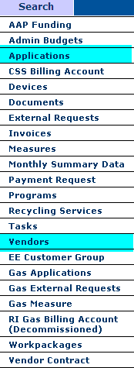 | 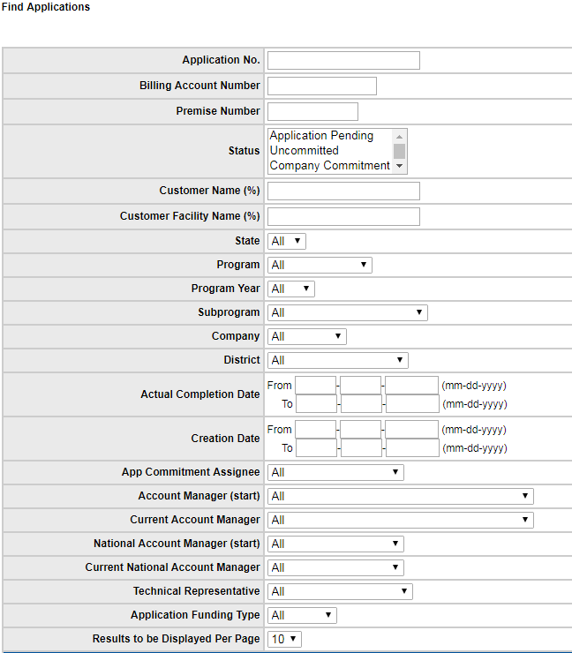 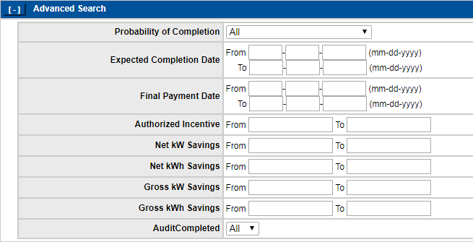 Searching For an Application: - Application Number (Brings up specific app) - Billing Account Number (brings up all apps associated with that billing account) - Customer Name (brings up all apps under the customer name) - You can narrow down a search by chosing Status, Program, Current Account Manager, Techincal Representative, etc. - The advanaced search lets you search by expected completion date, incentive, savings, etc. *use any of these together to find an application*

Inside an Application

Application Header: This page displays NGrid Information
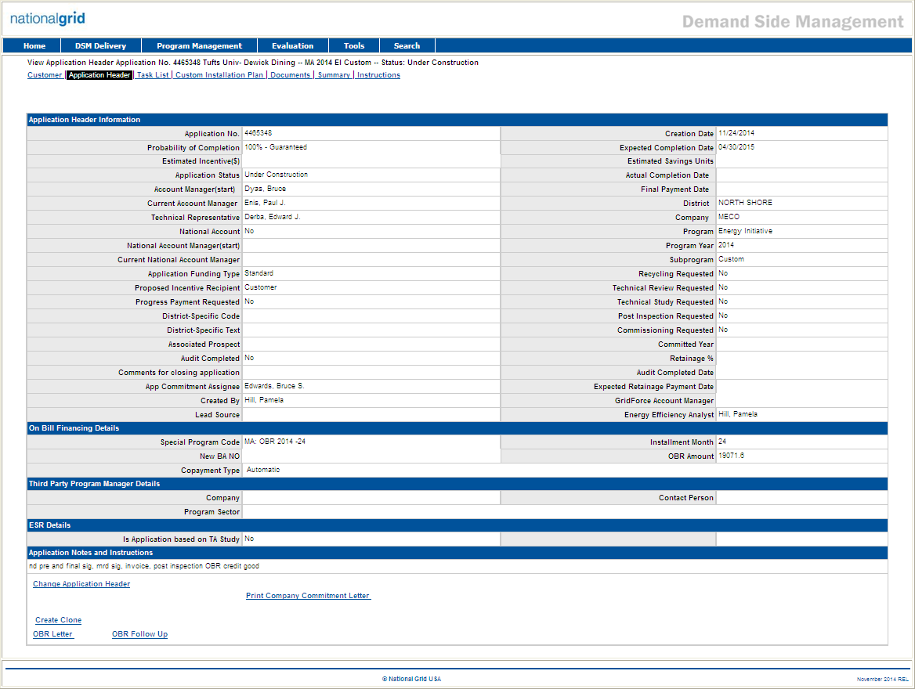

Customer: This page displays the customer's information
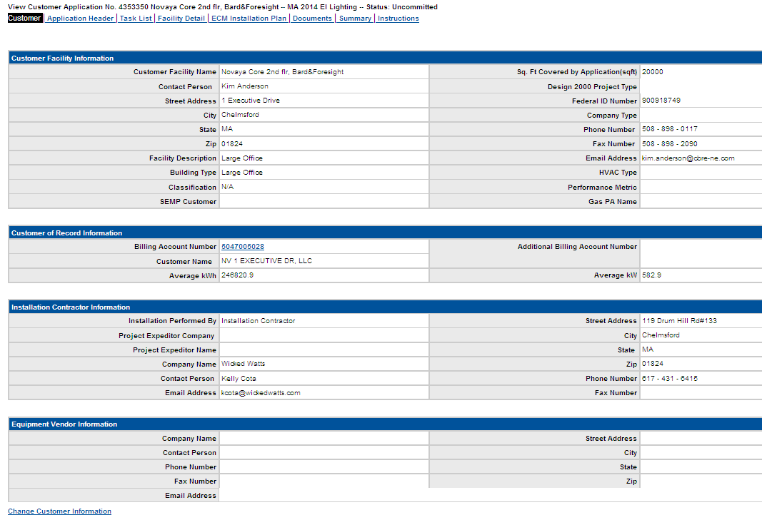

Task List: This tab shows the tasks that have been/still need to be completed in order to pay an application

Facility Detail: This tab is where you add existing and proposed measures
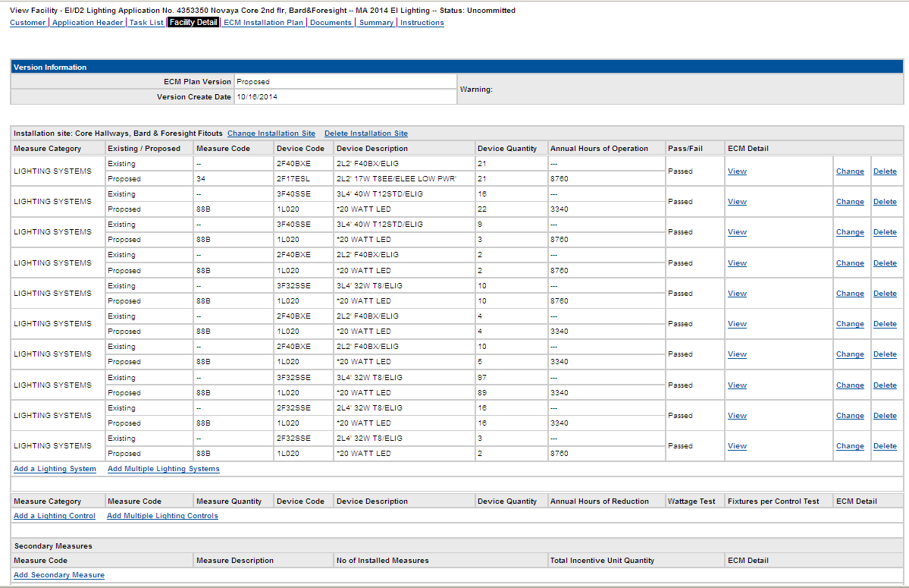
*You can also access the Business Objects report from this screen*
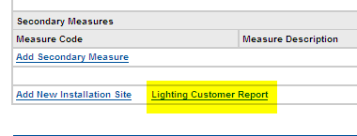

ECM Installation Plan: This tab shows the measures with incentive amounts per unit. This info is transferred here from the Facility Detail where info is entered, and shows how the incentive is calculated
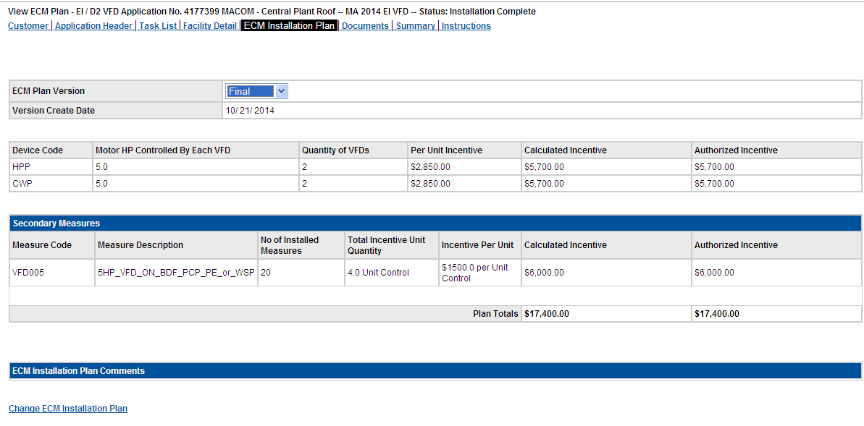
Documents: This tab contains all of the documents that have been attached to the application

Summary: This page displays an overview of the application
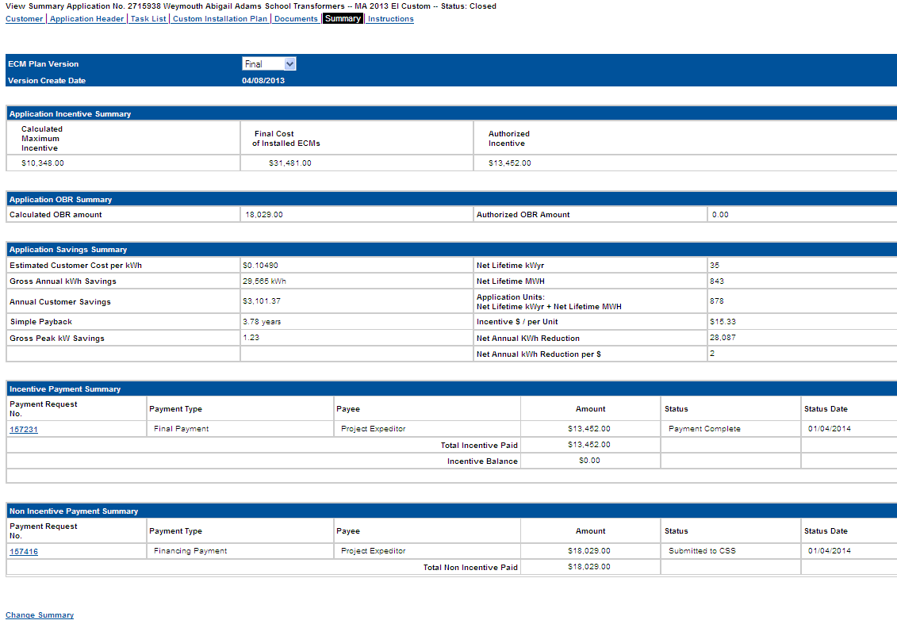
Instructions: This tab shows notes from the Application Header tab

Creating an Application
Date | 2017-08-30
Version | 0.1 |  |  | back
Frequency | As Needed

 | Creating an Application |  |  |  |  |  |  |  | Table of Contents

b.
*
 | No. | Main Operating Step |  | Key Points/Tips
 | 2 | Create Application in inDemand |  | a. Open inDemand b. Hover over "DSM Delivery" and click "Create Application" *The application document associated with the project is needed to create the app in inDemand and to complete the following steps* |  | 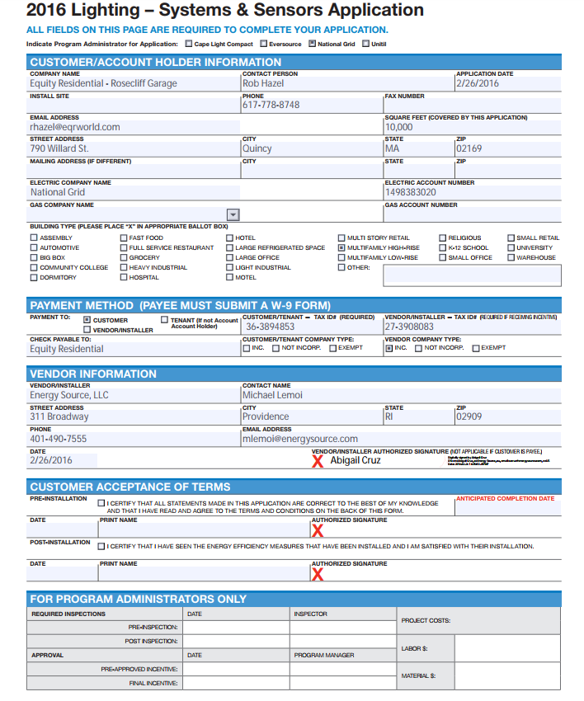
 | 3 | Create Application |  | Fill out the Customers information including: -Customer Facility Name: Customer name/project - Company: MECO for MA and NECO for RI - District: (see ) - Account Manager: Sales rep associated with app - Program: D2 is New Construction & EI is Retrofit - Subprogram: Custom, Lighting, VFD, HVAC, Compress Air, Miscellaneous Prescriptive |  | 
 | 4 | Create Customer Page - Customer Info |  | Use the Projects Application to fill out the customer information *The Federal ID Number needs to be for the customer - not installation contractor - even if they are not receiving the incentive* |  | 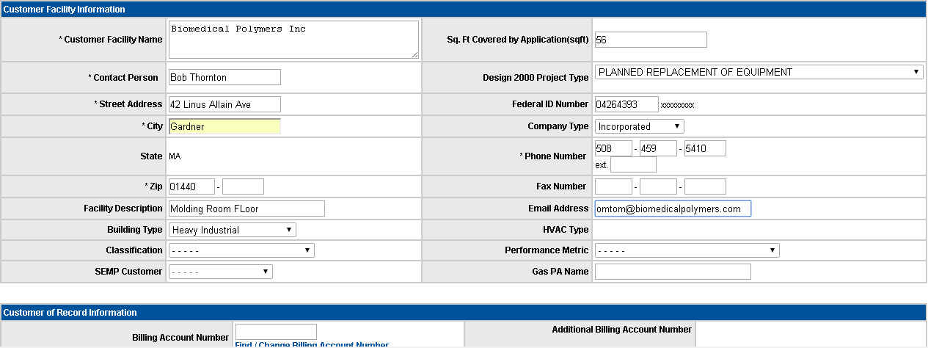
 | 5 | Create Customer Page - Installation Contractor info |  | Use the Projects Application to fill out the Installation Contractor Information. (if there is no info, chose "Customer" where it says "Installation Performed By". |  | 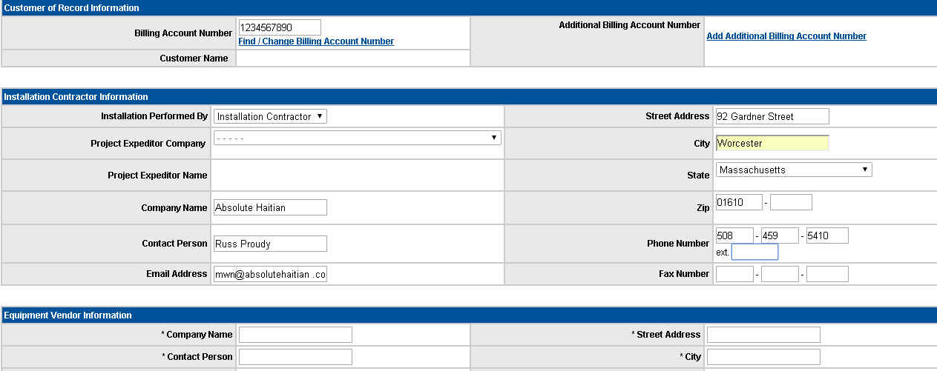
a.
b.
 | 6 | Create Customer Page - Installation Contractor info |  | If the project is being installed by a Project Expeditor: a. Choose the "Project Expeditor" option for the "Installation Performed By" drop down. b. Choose the Project Expeditor that is being used from the list on the "Project Expeditor Company" drop down, - The Information will be filled in automatically
 | 7 | Create Application Header Page |  | Fill out Application Header Page - Probability of Completion: 25% unless told otherwise. - Current Account Manager: Sales Rep - Technical Representative: Tech rep/Energy Engineer - Proposed Incentive Recipient:based on application document - App Commitment Assignee:Manager - MaryAnne Ryan, Fred Paine, Bruce Edwards - Expected Completion Date: from app or provided by customer/installation contractor/sales rep - Energy Efficiency Analyst |  | 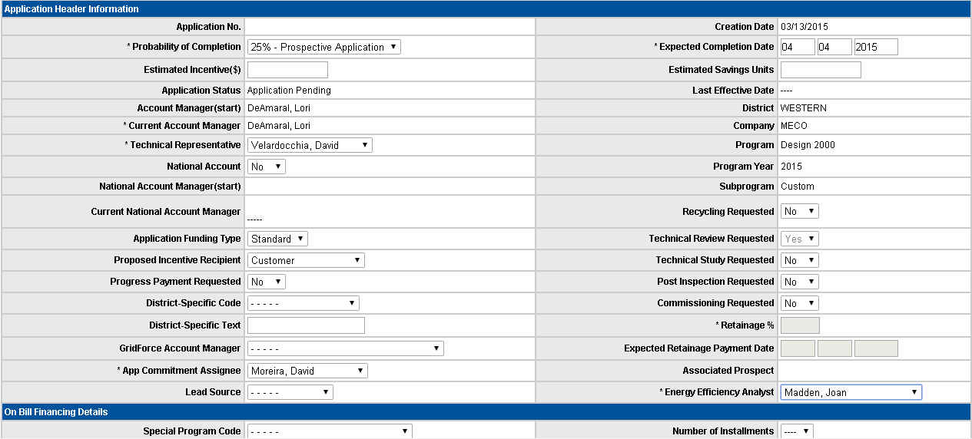
 | 8 | Create Application in inDemand |  | Once Application Header is filled out, Click "Next" and application will be created

 | Name/Position of Author |  | Date | Name/Position of Approver | Date | Date | Review Date | Responsibility
 | Jessica Hermanowski

Attaching a Document
 |  |  |  |  |  |  |  | Table of Contents
Attaching a Document

a.
b.
b.
a.
No. | Main Operating Step |  | Key Points/Tips
1 | Save Documents to Computer |  | a. Save documents to a convenient place on your computer. b. Use a title that correlates to the document type and application number. |  | 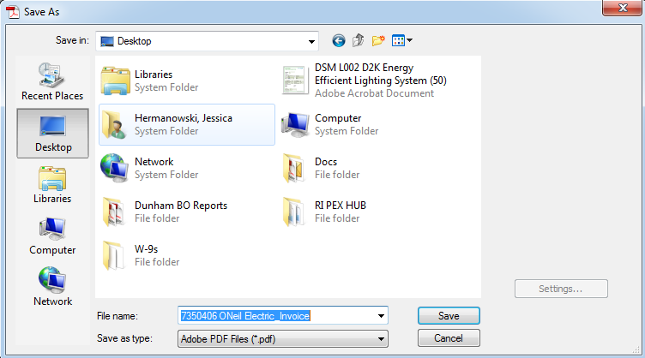
2 | Attach document to inDemand |  | a. Navigate to the application that you are attaching the document to and go to the "Documents" tab. b.Click "Create Document". |  | 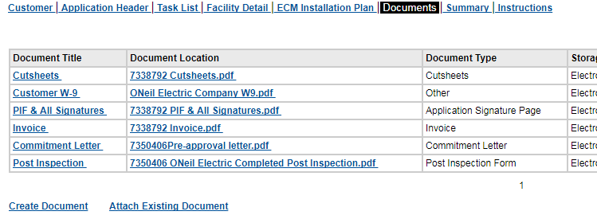
a.
b.
3 | Attach document to inDemand |  | a. Enter the document title b. Choose the Document Category.
c.
a.
b.
4 | Attach document to inDemand |  | a. Choose the Document Type that matches the document you are attaching. (if there is not one that matches, choose "Other"). b. You can add the "Author(Company)" as the install contractor,PEX, NGrid, etc. c. Click "Next" |  | 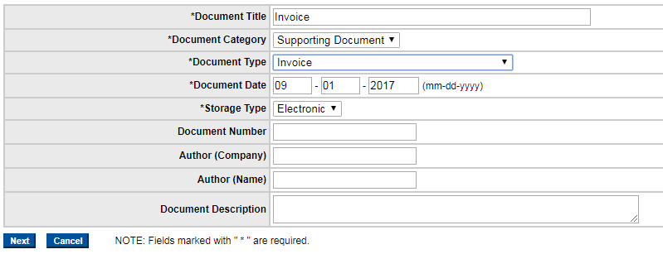
b.
a.
5 | Attach document to inDemand |  | a. Click "Choose File" b. Find and click on the document that you are attaching and click "Open". c. Click "Save".

Name/Position of Author |  | Date | Name/Position of Approver | Date | Date | Review Date | Responsibility
Jessica Hermanowski

Completing a Task
Completing a Task |  |  |  |  |  |  |  | Table of Contents

a.
a.
No. | Main Operating Step |  | Key Points/Tips
1 | Go to Task List |  | a. Once a task is ready to be completed, navigate to the Task List page on the application. |  | 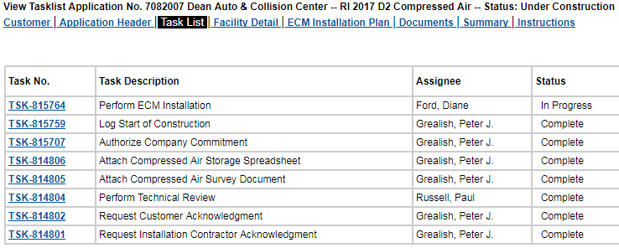
2 | Open the Task |  | a. Click on the Task No. associated to the task you are going to complete. This will open the task.
a.
3 | Change the task |  | a. Click "Change Task"
b.
a.
4 | Close the Task |  | a. Change the status from "In Progress" to "Complete" b. Click "Save"

 |  | Date | Name/Position of Approver | Date | Date | Review Date | Responsibility
Jessica Hermanowski

Facility Detail-HVAC
Date | 2017-08-30
Version | 0.1 |  |  | back
Frequency | As Needed

 | Facility Details for HVAC (D2) |  |  |  |  |  |  |  | Table of Contents

a.
c.
b.
this is the Chiller Measure Category, there are 10 options, 2 air cololed and 8 water cooled, you select by the ton size and screw/scroll oentrifugal. This will be stated on PIF
 | No. | Main Operating Step |  | Key Points/Tips
 | 2 | Add New Installation Site |  | This can be the location of the facility. If there are multiple measures, you may add different installation sites as an example if there are different rooms or buildings within the facility |  | 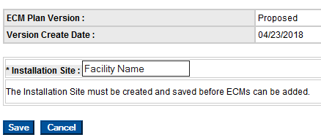
 | 3 | Enter Measure type THIS IS HVAC New Construction |  | There will be two options, chiller and HVAC controls |  | 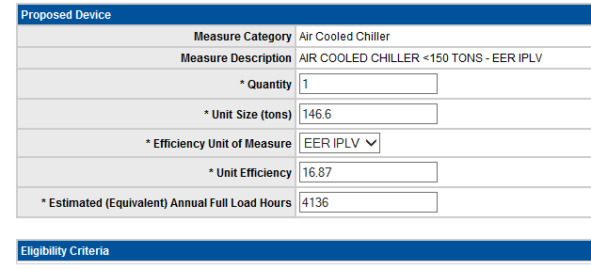
There is only one option under HVAC controls for D2, Hotel occupancy sensors . see example.
 | 4 |  |  | HVAC Controls is for Hotel Occupancy (D2) |  | 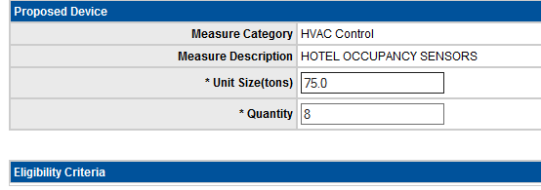
There are two main categories, Flow AC or Flow HP and you determine by Ton size . In this section, enter a 1 in Total Estimated Annual kWh savings, Peak Winter and Peak Summer. Then the Tech Rep will provide actual numbers
 | 5 |  |  | There is a secondary measure (D2 for Refrigerant Flow |  | 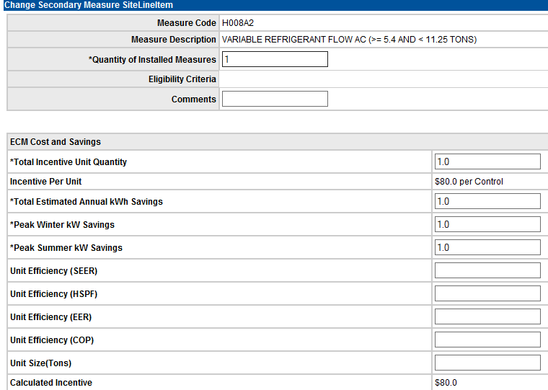
 | 6 | Once facility details are completed, move to ECM Installation Plan TAB |  | ECM Installation TAB, this is where the incentive is calculated, select CHANGE at bottom and the calculated incentive will populate into the authorized incentive fields. Please NOTE: it is here we can make a change to the authorized incentive if there is authorization for Sales manager or a program i.e. Summit Certificate. |  | 
 | 7 | Attach all documents |  | Attach all documents to include PIF, cutsheets, signatures. |  | 
 | 8 | Tasks |  | Once documents are all attached, complete any appropriate tasks, send email to Tech Review if it is ready for review.
 | 9 | This is for HVAC Retrofit |  | This can be the location of the facility. If there are multiple measures, you may add different installation sites as an example if there are different rooms or buildings within the facility
 | 10 | Facility Details |  | for Retrofit HVAC there are two measures, EMS and HVAC Controls. For EMS, selection will be based on square footage, and points installed. This section also has Summer Peak, Winter Peak and Annual kWh Savings, enter 1 in these, tech rep will either update or provide the accurate numbers back to you to update after tech review |  | 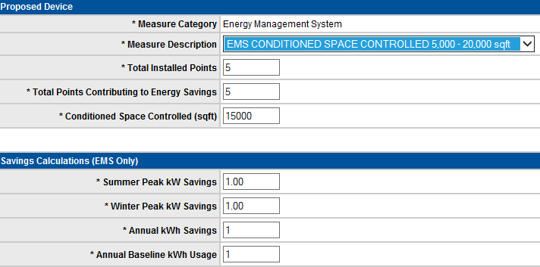
 | 11 |  |  | HVAC Controls , hotel occurpancy sensors |  | 
 | 12 | Secondary Measures |  | there are three options, glass front refrigerated coolers, non refrigerated snack vending machines, refrigerated beverage vending machine |  | 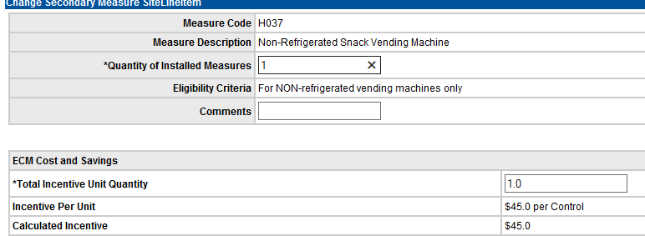
 | 13 | Return to STEP 6 above |  | once facility details are completed, return to STEP 6 above and follow steps 6-8

 | Name/Position of Author |  | Date | Name/Position of Approver | Date | Date | Review Date | Responsibility

Facility Detail-VFD
Date | 2017-08-30
Version | 0.1 |  |  | back
Frequency | As Needed

 | VFD |  |  |  |  |  |  |  | Table of Contents

a.
c.
b.
 | No. | Main Operating Step |  | Key Points/Tips
 | 2 | Add New Installation Site |  | This can be the location of the facility. If there are multiple measures, you may add different installation sites as an example if there are different rooms or buildings within the facility
 | 3 | Enter Measure type This is VFD New Construction |  | There will be selections by Pumps and by Air Fans |  |  This is the Heating Hot Water Pump Category, there are 13 options, 6 Pumps and 7 Fans. Enter selection stated on PIF.
 | 4 |  |  | There is a secondary mesure for VFD |  | There are 14 HP seclection and 1 HVAC selection under the Measure Code selection. Select the Measure Code from the PIF. The Measure description will populate once the Measure Code is selected.
 | 5 |  |  | ECM Cost and Savings |  | In this section, enter Total Incentive Unit Quanity from Pif The Total Estimated Annual Kwh Savings, Peak Winter and Summer KW Savings enter a 1 Tech Rep will either update or notify of the update needed.
 | 6 | Once Facility details are completed, move to ECM Installation Plan Tab |  | ECM Installation Tab, this is where the incentive is calculated. Select CHANGE at bottom and the calculated incentive will populate into the authorized incentive fields. Please NOTE: It is here we can make a change to the authorized incentive if there is a authorization for Sales manager or a program i.e. Summit Certificate |  |  I
 | 7 | Attach All documents |  | Attach all documents to include PIF, cutsheets, signatures
 | 8 | Tasks |  | Once documents are all attached, complete any appropriate tasks, sent email to Tech Representiative if it is ready for review.
 | 9 | This is for VFD Retrofit |  | This can be the location of the facility. If there are multiple measures, you may add different installation sites as an example if there are different rooms or buildings within the facility
 | 10 |  |  | There are 13 Motor VFD selections and 7 VFD selections. The Motor VFD selection is when there is installation or replacement of a Premium Efficency Motors. The VFD selection used when only installing new Drives.
 | 11 | Secondary Measures |  | The Secondary Measure Site/Line : Under the drop down box for the Measure code there are 10 MTVFD selections measured by horsepower selections. VFD there are 9 selection measured by horsepower . |  | 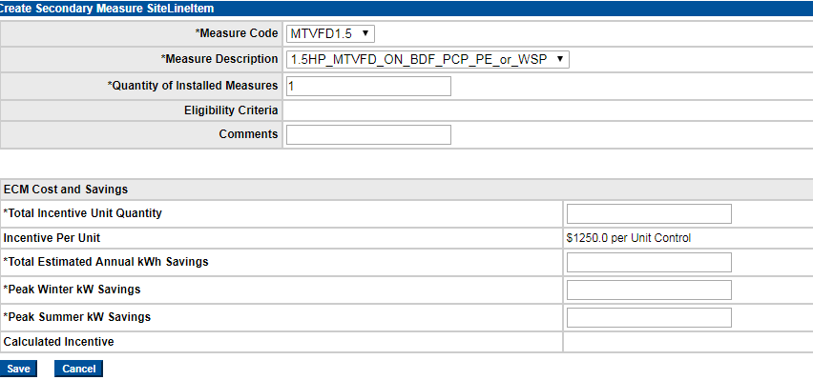
 | 12 |  |  | The Measure description will be populated once the Measure code is selected , Incentive Per Unit will also be populated based on the selections made. The section also has Total incentive Unit Quanity, Total Estimated Annual KW Savings, Peak Winter Kw Savings, Peak Summer KW Savings and Calculated Incentive. Total Incentive Unit Quanity enter amount from the PIF. Total Estimated Annual, Kwh Savings, Peak Winter KW Savings, Peak Summer KW Savings and Calculated Incentive enter 1 in these tech rep will either update or provide the accurate numbers back to yo to update after tech review. |  | 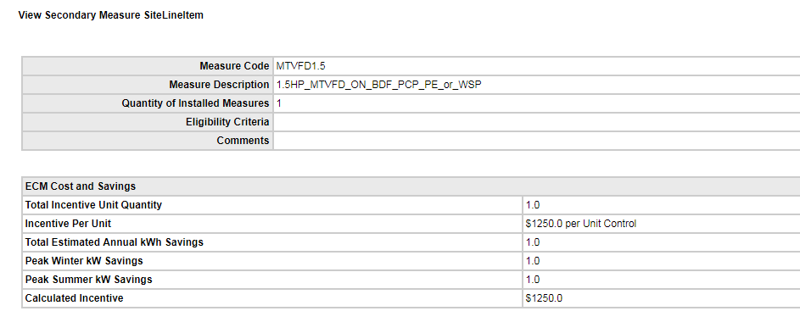
 | 13 | Return to Step 6 above

 | Name/Position of Author |  | Date | Name/Position of Approver | Date | Date | Review Date | Responsibility

Facility Detail-CAIR
Date | 2017-08-30
Version | 0.1 |  |  | back
Frequency | As Needed

 | Facility Details for CAIR |  |  |  |  |  |  |  | Table of Contents

a.
c.
b.
this is the Combo example, VSD is the only selection for Control Type. Eligible Storage is yes or no.
 | No. | Main Operating Step |  | Key Points/Tips
 | 2 | Add New Installation Site |  | This can be the location of the facility. If there are multiple measures, you may add different installation sites as an example if there are different rooms or buildings within the facility
 | 3 | Enter Measure type |  | There will be three options, Combo (Compressed Air and Dryer), Compressor , Dryer. The application will state which measure is correct |  | 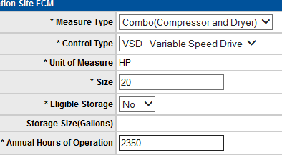
Control type Load/No Load
Variable Speed Drive
Variable Displacement . Eligible Storage is yes or no
 | 4 |  |  | Compressor Option |  | 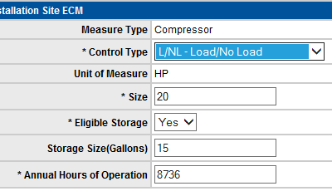
Control Type : CYC Cycling or VSD Variable Speed Drive
 | 5 |  |  | Dryer Option |  | 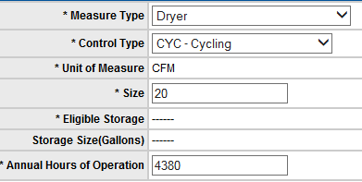
 | 6 | Secondary Measure |  | Three Options for Secondary Measures: NOZZLE10 ~ CAIR Eng Nozzle; CALPD ~ Low Pressure Drop Filter CAIR; CAZLD~ zero loss drain CAIR |  | 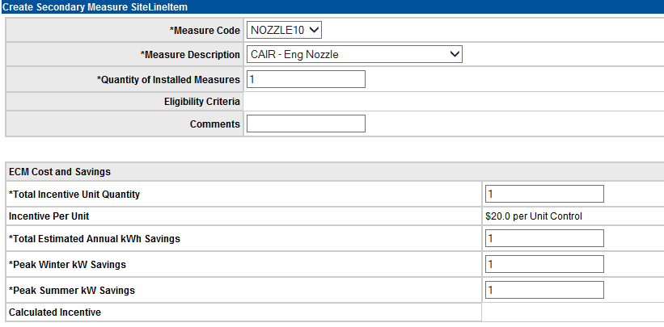
please note: Total Estimated Annual kWh Savings, Peak Winter, Peak Summer will need to be cacluated by Tech Rep. They can either input or advise EEA of these numbers and have EEA input
 | 7
 | 8 | ECM Installation Plan |  | Once all data has been input on facility details page, Select ECM Installation Plan. Select CHANGE, Then SAVE. This will populate the calculated incentive into Authorized incentive (Example to right is before change ECM Plan) |  | 
 | 9 |  |  | Example After Change ECM Installation Plan |  | 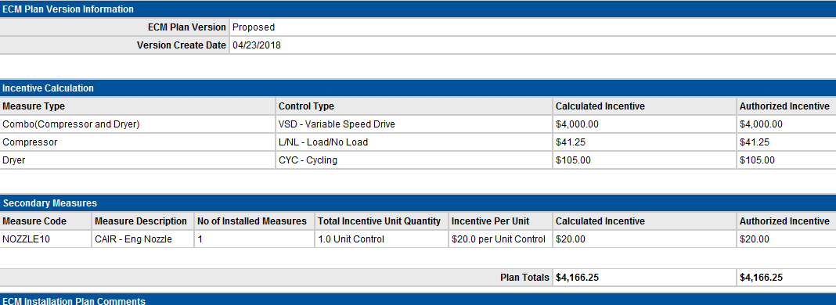
 | 10
 | 11
 | 12

 | Name/Position of Author |  | Date | Name/Position of Approver | Date | Date | Review Date | Responsibility

