Cover Sheet
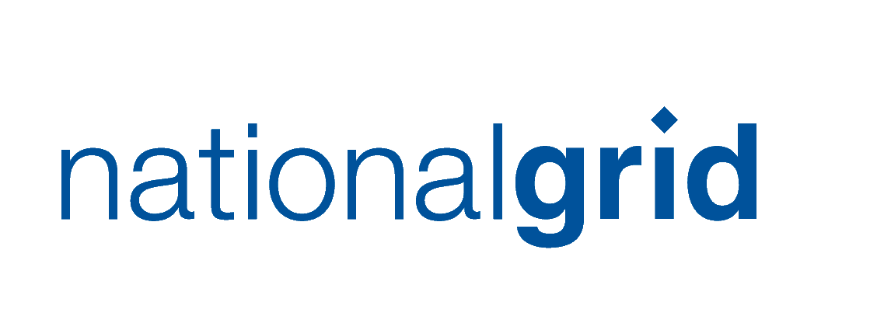
Modern Slavery Top 250 Suppliers Risk Assessment

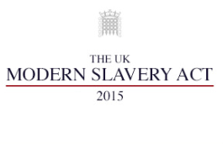
Category:- | Top 250 Suppliers

Author:- | Carolyn Gardner

Date:- | 2017-03-27

Issue:- | 1.0

What is Modern Slavery?
Modern Slavery affects over 29 million people around the world (Walk Free Global Slavery Index , 2013). The term 'modern slavery' describes explotation so severe that people are not able to leave their place of work. 'Slavery' referes to the condition of treating another person as if they were property - something to be bought, sold, traded or even destroyed.

The evidence suggests that the risk affects almost every industry - electronics and high tech, steel and automobiles, agriculture and seafood, mining and minerals, garmets and textiles, and shipping and transportation.

What is the Modern Slavery Act?
The Modern Slavery Act 2015 is an Act of Parliament of the United Kingdom. It is designed to tackle slavery in the UK and consolidates previous offcences relating to trafficking and slavery.
Section 54 of the Act, 'Transparency in Supply Chains' requires every organisation carrying on a business in the UK with a total annual turnover of £36m or more to produce a slavery and human trafficking statement for each finanical year of the organisation.

The purpose of the Risk Assessment
The purpose of the risks assessment is to assess the risk our strategic suppliers pose to National Grid.
In order to effectively mitigate the risks of modern slavery in our suppply chain, is important for Procurement to understand the risks and to create a plan of action that will affectively address it.

How To Fill The Risk Assesment
1. Risk Rational - Read the 'Risk Rationale' Tab to understand how the different areas of risk are assessed and how to fill in the diffferent risk criteria
Risk Assessment
2. Supplier Information - When you identify the suppliers in your category, please allocate the buyer/ contract manager responsible for that specific supplier
3. Company Reputation - Select if the supplier provides branded products to NG, by either selecting 'yes' or 'no'. Via the Risk Rational, you should know if the risk is low (1) or high (3)
4. Industry / Commodity Risk - Write what type of industry and commodity does the supplier sell to NG, and via the 'Risk Rational' and using more information on the 'Industry Risk' tab, you should select if the risk is low (1), medium (2) or high (3)
5. Country Risk - Write where the Head office and main country of manufacture for the product that the supplier sells to NG, via the 'Risk Rational' and using further informaiton on the 'Country Risk tab', you should select if the country risk is low (1), medium (2) or high (3)
6. Supply Chain - White how many tiers and/or how many subcontracting levels the suppliers uses for the product/service it provides to NG, via the 'Risk Rational', you should know if the risk is low (1), medium (2) and high (3)
7. Additional Information - if the supplier has a turnover of £36m+, please locate its MSA statement and copy the link into the tab, also note by selecting 'yes' or 'no' if the suppliers has to report to the Dodd Frank Act Legislatoin and if the product contains known conflict minerals

If you do not know the information required to do this risk assessment, you are required to contact the supplier directly.

